L12A2
EE417 Advanced Digital Logic with Verilog HDL |  |  |  |  |  |  |  |  | Date: 08/03/24
Group 3: Lamin Jammeh/Ron Kalin
Lesson 12 | Final Project
Finite Impulse Response Multiply-Accumulate FIR_MAC Project
Objective
In Digital Signal Processing (DSP), an input signal can be filtered using a Finite Impulse Response with Multiply-Accumulator (FIR_MAC) filter. The filter coefficient can be calculated using MATLAB using the fir1 function giving the design specifications (cut-off frequency, Max-frequency, filter order, and filter Type) are already determined. The filter function is used in MATLAB with a sample signal s to determine if the given coefficient can filter the sample signal s. The coefficients and the filter order are then used to implement the design of the FIR_MAC in DSP.
The Finite Impulse Response with Multiply-Accumulator (FIR_MAC) filter in this design will take in an input signal and multiply the signal with coefficient. The output of the multiply is temporarily stored in a pipeline register (PR) to reduce hardware idle time, thereby improving the latency of the clock signal. A similar PR is implemented at the input of the adder which performs the Accumulator section. The output of the Multiplier and the input of the adder and summed to delivered to input of the next adder on the next filter order. The number of adders and multiplexers is determined by the filter order of the design. To maintain the signal coherency a PR is added at the output of each Multiplier and input of each Accumulator [2].
The filter in this design has two submodules and a main or top module. The two submodules are the controller and the Datapath modules. The controller module enables the clock and reset signals. The Datapath looks for the posedge of the clock signal and the state of the reset signal. When reset is high; all registers and output of the FIR_MAC goes to zero, and at reset low the Datapath module start processing input signals on the next posedge of the clock. To make sure the time requirement for the hardware is met the clock period was change from 1.0ns to 4.0ns, this changes the slack time from negative to positive tog give the hardware some leeway in case of propagation delay[3].

Application
Processing analog signals can come with lots of challenges since the analog signal are prone to noise which can be very difficult and expensive to clean. These can lead to wrong data especially from biomedical devices. The application of FIR_MAC filters in digital signal processing suppresses the Powerline Interference (PLI)[1]. When FIR_MAC filters are implemented in FPGA devices, the filter can be used for multiple DSP applications without the need for hardware change. The filter coefficients and filter order can be changed at the programming level. This is why FIR_MAC filters are preferred in instrumentation and measurement devices.

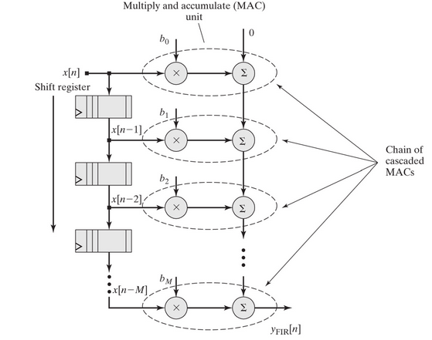
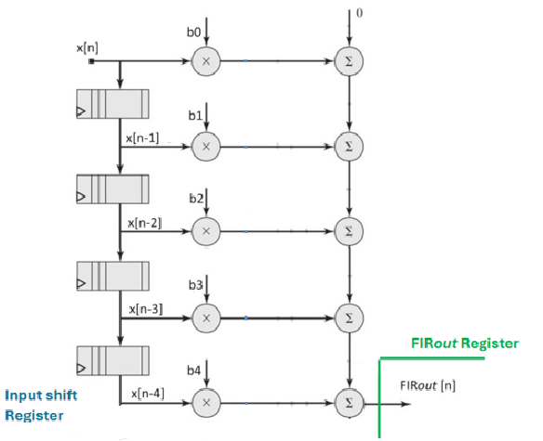
PR0 Pipeline Register (array of 5 products)
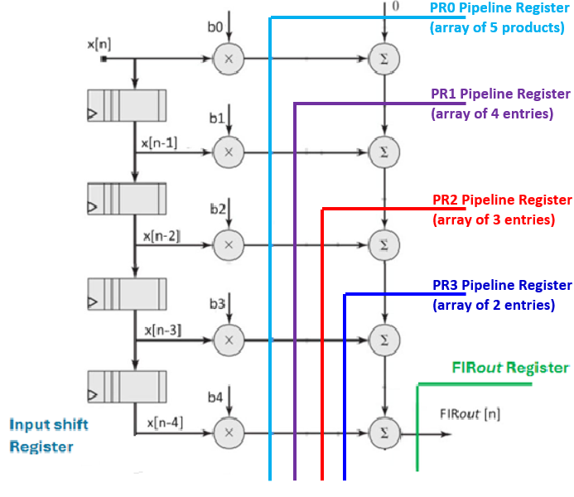
PR1 Pipeline Register (array of 4 entries)
PR2 Pipeline Register (array of 3 entries)
PR3 Pipeline Register (array of 2 entries)

 | Figure 12.1 - FIR MAC diagram |  |  |  |  |  | Figure 12.2 -
 |  |  |  |  |  |  | FIR MAC diagram, 4th order, showing pipelining cutlines

Design Methodology
A controller - datapath structure will be utilized with a reduced number of states vs. a FSM design. The design also implements pipeline to reduce Harware Idle time

A block diagram and Finite State Machine (FSM) were developed from the Datapath in order to design the Controller code.
Ready was added as an output to the Datapath and as an input to the Controller.
Block Diagram
 |  |  |  | Controller: M2 |  |  |  |  |  | Datapath: M1
 |  | inputs |  |  |  | outputs |  | inputs |  |  |  | outputs
 |  |  |  |  |  |  |  |  |  |  | 14 | FIR_out
 | testbench | clk |  |  |  | reg enable

 |  | reset

 |  |  |  |  |  |  | from testbench | Sample_in | 6

 |  |  |  |  |  |  |  | clk

 |  |  |  |  |  |  |  | reset

FSM (State Graph) for Controller

 |  |  |  |  | reset

S0
State Table
input |  | output |  |  |  |  | 1/0
reset |  | enable | state
1 |  | 0 | S0
0 |  | 1 | S1 | 1/0 |  | 0/1

S1

Building Blocks of the Datapath - RTL Viewer
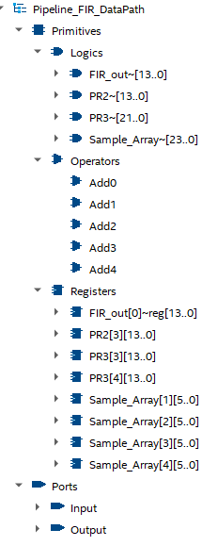

Design Verilog HDL Code -
Controller
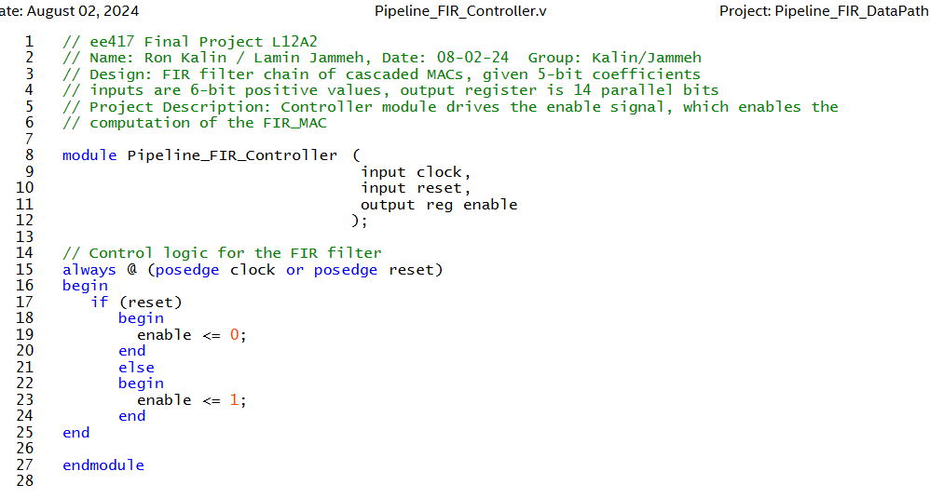

 |  |  |  |  |  |  |  |  |  |  |  |  | );

Datapath
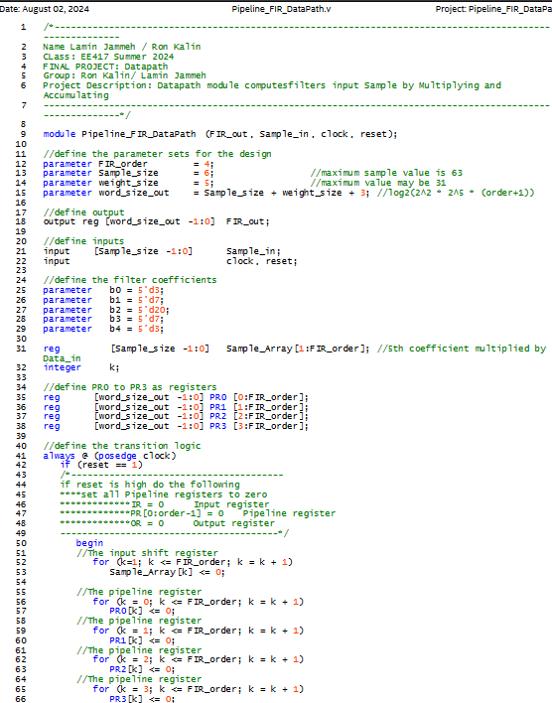

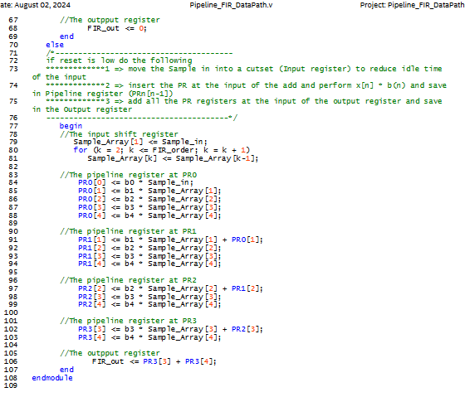

Top level module
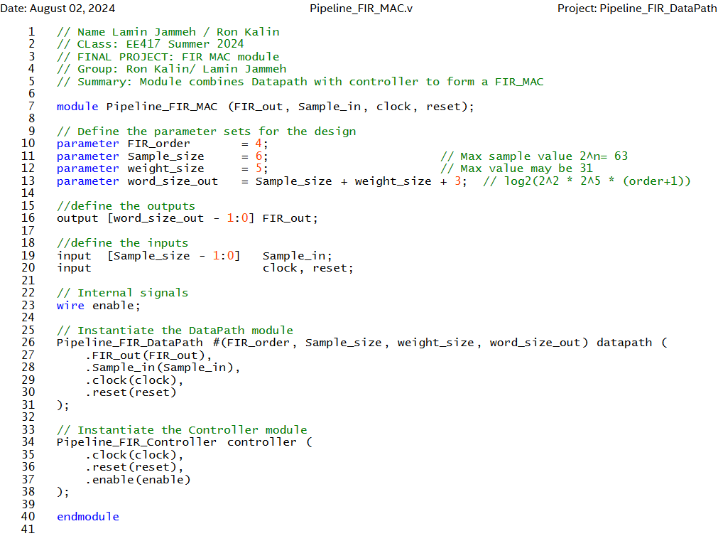

RTL Viewer
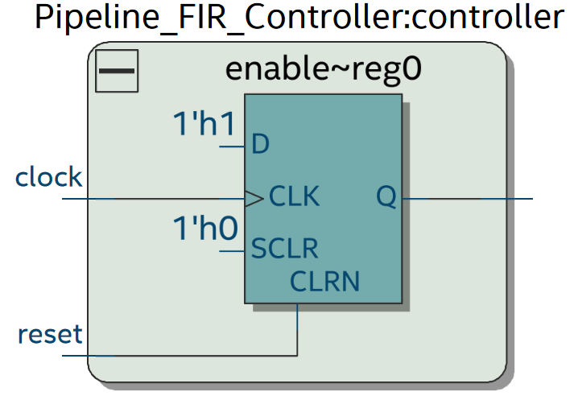
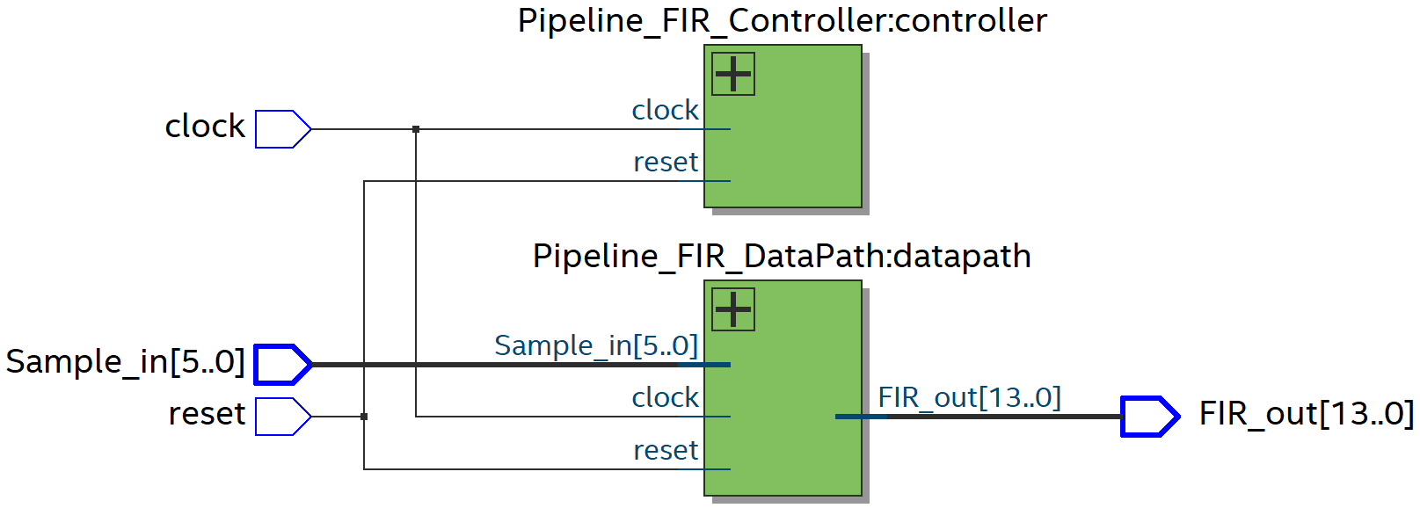

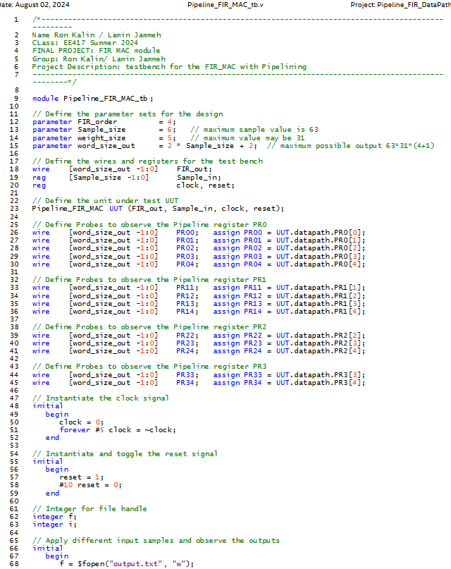
Testbench Verilog HDL Code

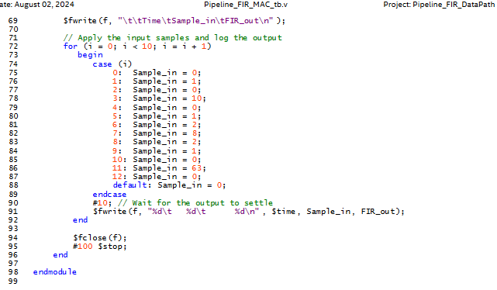

RTL Simulation -from Questa
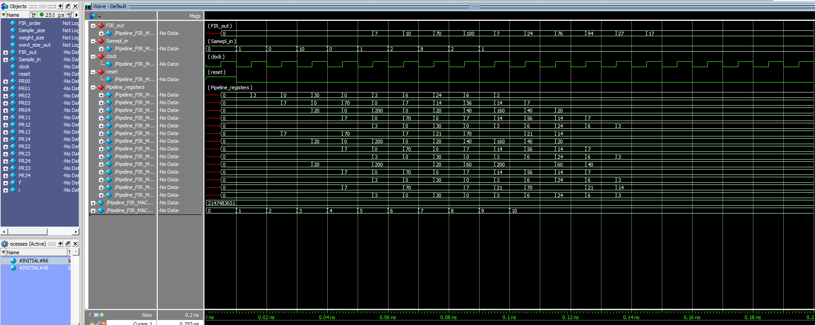

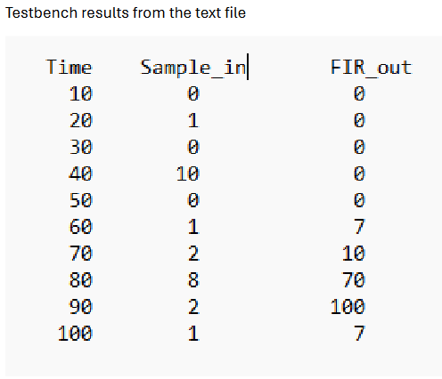

Timing Analysis Reports
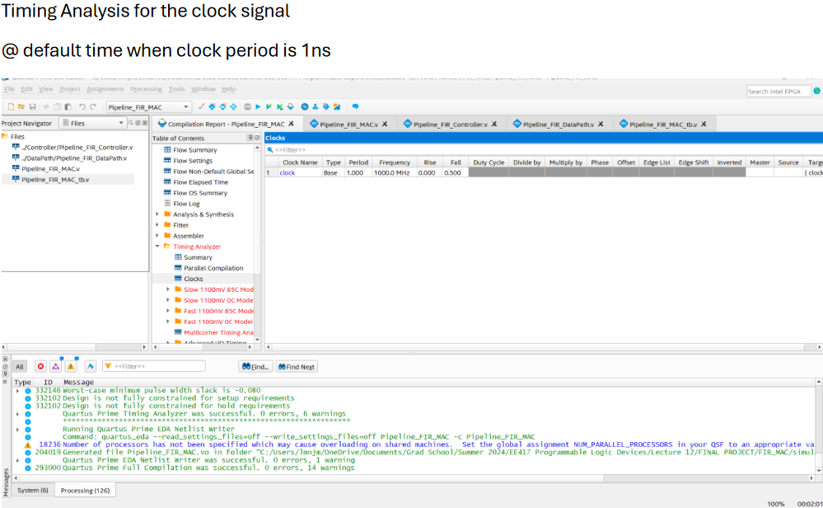

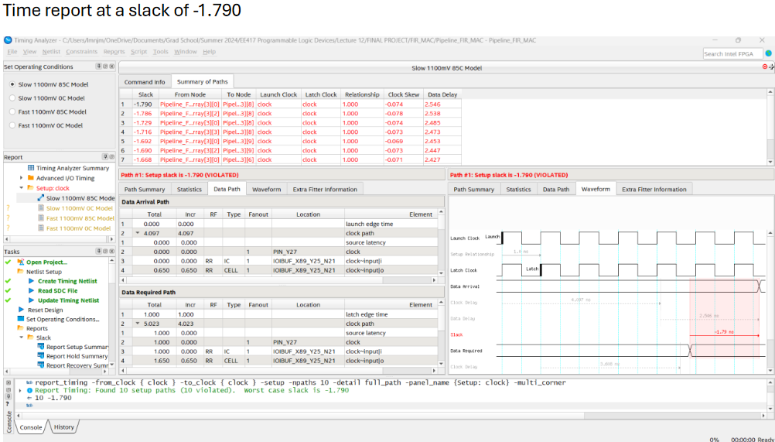

Timing Analysis Reports (cont'd)
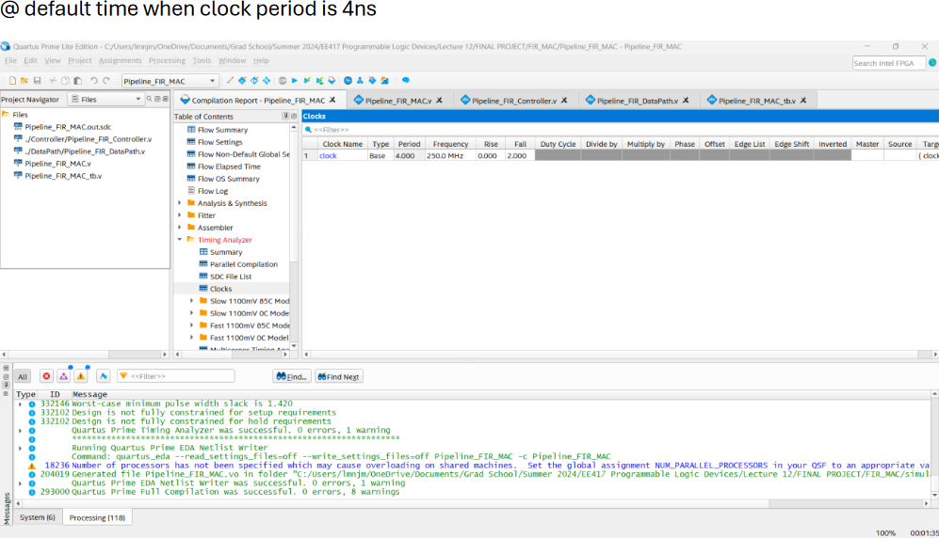

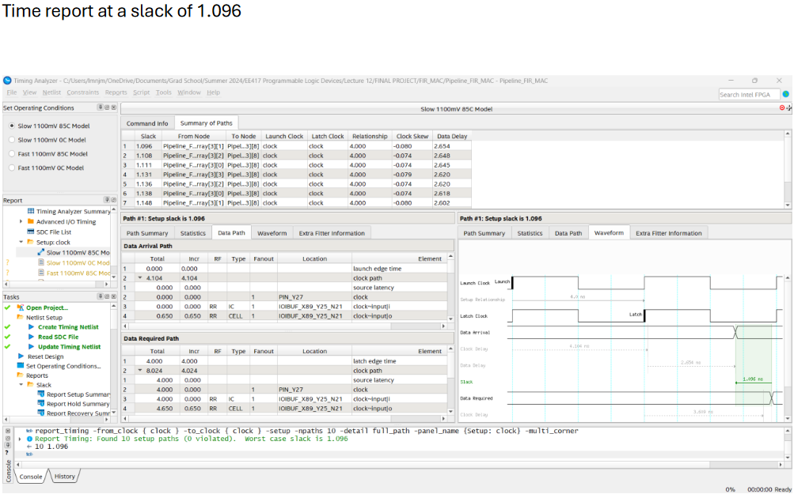

Matlab Testnehc Data input and Results

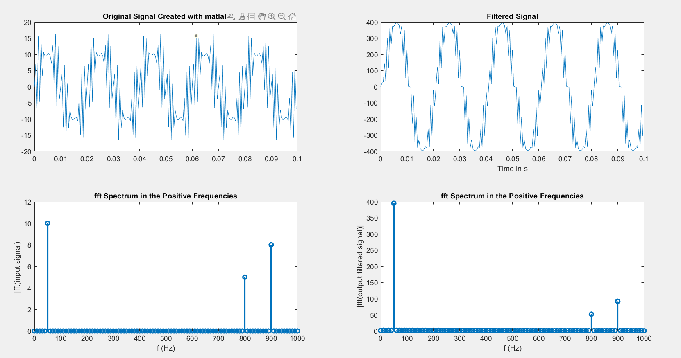

Conclusion
Reset high means Sample_input, internal registers, and output registers become zero.
When reset is low FIR filter is active. When filter is active, the actions happen on the positive clock edge.
FIR filter with pipeline registers were placed all adder inputs.
Simulation results show each pipelining register passes the values saved in its array to the next one.
The top two values are added together while the rest pass as is to the next register. The throughput (new output) is available at every clock cycle.
With the pipelining, the longest propagation delay for the combinational logic between the registers can be shortened, which will consequently
allow reducing clock period and increasing clock frequency. With an output available at every clock cycle, the throughput of the
module increases. The pipelining improves hardware utilization efficiency.

Sources
[1]https://ieeexplore.ieee.org/document/7208065
[2] Ciletti, Michael D.. Advanced Digital Design with the Verilog HDL (Section 9.5). Pearson Education. Kindle Edition.
[3] Chttps://community.intel.com/t5/FPGA-Wiki/Timing-Constraints/ta-p/735562

